Sheet1
0 | 1
1.7510870975E-06 | 20.26722908
2.8666319847 | 3.6386859417
17.644630432 | 30.061946869
23.258335114 | 36.300743103
2.6712281704 | 27.098180771
-2.5849864483 | 3.7927370071
-23.939702988 | 0.20970058441
-9.219660759 | 26.821674347
10.701639175 | 26.418754578
1.8068019152 | 9.0626401901
24.536827087 | 5.2134709358
-30.869152069 | 34.04019928
13.706018448 | 22.357307434
-11.538631439 | 25.03459549
0.050563227385 | 20.423717499
-6.3052964211 | 5.9274468422
17.12030983 | 35.410316467
1.6395261288 | 8.2793664932
-30.827939987 | 3.583799839
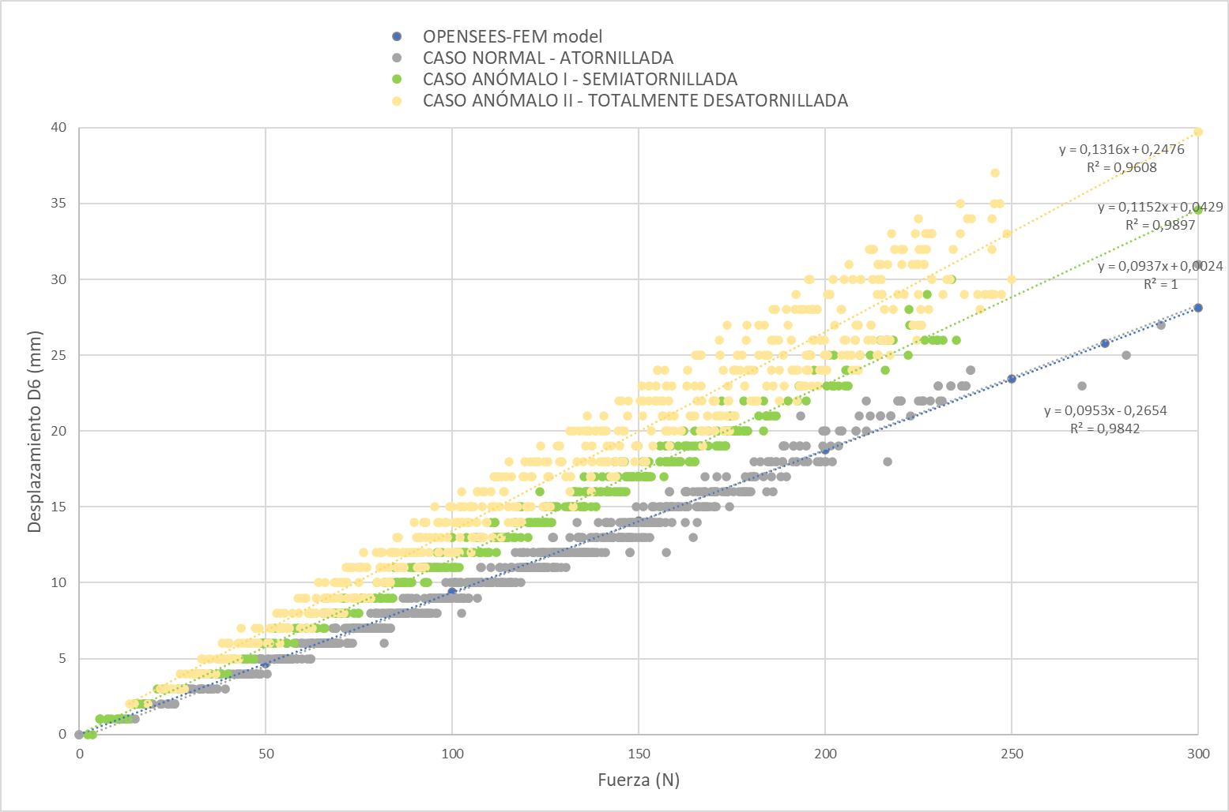
10.007595062 | 2.6676020622
0.84774798155 | 10.03060627
8.6424980164 | 13.576872826
-3.989533186 | 23.135757446
5.2493472099 | 11.66942215
9.343337059 | 25.381849289
2.7442808151 | 16.309774399
-6.8786301613 | 6.074968338
10.684280396 | 12.760825157
2.456073761 | 33.353046417
9.4319868088 | 18.910152435
0.81450140476 | 22.51830864
0.44076341391 | 12.567882538
-4.5704417229 | 18.002811432
4.785949707 | 11.924695969
8.3113565445 | 21.443349838
-4.66279459 | 0.21739470959
-6.3308897018 | 30.304428101
4.9060783386 | 15.095508575
-3.506816864 | 18.907970428
14.051922798 | 18.181261063
-3.9815680981 | 26.584812164
3.3613445759 | 32.696720123
-2.7468471527 | 33.102859497
3.0166394711 | 33.022220612
3.4460732937 | 18.188018799
5.3960981369 | 12.88863945
-2.394497633 | 24.249019623
-4.0480794907 | 25.70766449
-1.3419756889 | 35.310844421
2.6795637608 | 10.271893501
12.521922112 | 20.098182678
3.4642813206 | 2.8693628311
3.0884325504 | 27.42137146
-1.4368507862 | 26.49417305
-4.4410047531 | 27.213478088
-6.1392407417 | 22.440694809
-1.0892089605 | 5.9415850639
5.4167170525 | 8.0101060867
6.9755158424 | 18.596364975
-1.9793139696 | 34.342308044
3.5690090656 | 4.3075437546
4.028983593 | 16.916650772
-2.7244827747 | 18.582065582
8.3279075623 | 5.5302934647
-4.7057514191 | 30.745977402
-2.473711729 | 29.379430771
4.6112399101 | 4.3274345398
-1.1386231184 | 12.681499481
-1.7927939892 | 1.4748723507
0.035221625119 | 16.304777145
3.8960783482 | 17.597043991
0.61389553547 | 0.86117351055
1.7131791115 | 14.019636154
5.819879055 | 3.6567909718
0.60764729977 | 11.225488663
-3.8144834042 | 26.671432495
-4.4392085075 | 33.476257324
7.7511148453 | 13.555110931
2.975508213 | 21.846923828
-3.7557005882 | 11.646021843
5.136068821 | 27.511674881
-3.385705471 | 13.997789383
-1.5837701559 | 13.753385544
-4.899228096 | 27.272434235
0.667950809 | 1.2306354046
4.8395643234 | 21.606145859
5.6531496048 | 2.5056846142
6.371922493 | 12.875218391
-4.7568435669 | 20.453882217
0.88427436352 | 30.873842239
1.2531619072 | 6.2469682693
4.2363862991 | 8.0513763428
-4.6261172295 | 18.908908844
-1.1809989214 | 8.0386009216
-4.6514172554 | 22.629375458
6.451356411 | 27.461223602
4.1017169952 | 25.939069748
2.7736949921 | 15.104942322
-9.8957195282 | 2.379535675
-5.2560167313 | 32.030105591
0.60075134039 | 33.275974274
-8.4709968567 | 31.3893013
-1.2185940742 | 18.939823151
7.7489485741 | 10.892906189
9.3042669296 | 34.285514832
-2.1649003029 | 35.09053421
7.8384327888 | 5.047150135
2.2619376183 | 12.613527298
1.6760784388 | 3.8075728416
2.0214867592 | 1.5019545555
-5.9110088348 | 17.866788864
-1.5239373446 | 32.78289032
1.9837034941 | 3.2022283077
4.1862902641 | 31.140983582
-9.2986431122 | 18.416599274
1.7737160921 | 2.1504659653
-3.6439259052 | 15.346386909
0.99916529655 | 11.256389618
7.414288044 | 32.214515686
-0.6357164979 | 27.741012573
10.221920967 | 7.6280398369
7.3763375282 | 25.431413651
3.2036077976 | 32.862449646
0.36617392302 | 27.436958313
-4.0357637405 | 32.544490814
-0.4163480103 | 6.6427989006
-0.91918933392 | 14.020417213
-3.9804363251 | 23.84826088
7.5025839806 | 9.1922531128
5.8795638084 | 7.0529580116
2.2331495285 | 25.471609116
2.2943170071 | 30.35550499
-5.6062994003 | 10.355825424
-7.2033596039 | 0.15247935057
-1.858068347 | 16.597352982
-0.10807743669 | 2.6822972298
6.5548815727 | 3.1114864349
-2.8592100143 | 34.032817841
-2.864279747 | 25.967813492
3.4855320454 | 25.585134506
6.4689917564 | 6.3626155853
4.8584322929 | 33.875602722
-0.31626865268 | 28.298086166
1.0855082273 | 17.315223694
5.9595627785 | 8.7448215485
6.31919384 | 19.84116745
3.2283432484 | 7.3832969666
3.7384309769 | 7.4810872078
6.3242845535 | 4.7000074387
-2.8766155243 | 17.688751221
2.793930769 | 21.722324371
-4.5134725571 | 14.715939522
-0.51683712006 | 24.145362854
5.7940058708 | 4.9156389236
0.27548733354 | 3.1972351074
1.9719245434 | 25.431945801
0.099327683449 | 21.904748917
-6.6927952766 | 9.5364770889
5.7619271278 | 9.8100767136
5.1496372223 | 13.838775635
-1.6416677237 | 24.469787598
6.838353157 | 23.11548996
1.9460663795 | 8.7531108856
3.8195567131 | 6.4422035217
0.42606788874 | 1.3701137304
-5.20921278 | 6.7115602493
1.787749052 | 14.942782402
11.834280014 | 7.0905518532
-0.015731735155 | 2.3016848564
10.456640244 | 21.875482559
2.1260766983 | 29.818336487
2.4807863235 | 19.331922531
2.6454985142 | 24.718271255
8.3513565063 | 1.8998000622
-0.0880760625 | 18.584569931
0.24311678112 | 27.465320587
2.3812906742 | 14.043971062
5.1789970398 | 3.0081820488
-1.6839268208 | 1.6820938587
-8.8327865601 | 23.345584869
1.8895536661 | 30.056056976
-1.593131423 | 7.4676580429
-10.280434608 | 27.695116043
1.1207934618 | 27.889631271
0.26080146432 | 1.6649910212
3.9268362522 | 9.6656608582
5.4037160873 | 26.065258026
-0.86392939091 | 26.993202209
1.9466372728 | 20.928417206
4.3631658554 | 9.7190485001
5.8431501389 | 30.730331421
7.8567218781 | 11.618495941
0.27551087737 | 21.24341011
1.8007911444 | 7.0881023407
2.1948258877 | 4.2985572815
9.5366449356 | 23.555679321
6.0019221306 | 15.568778992
-1.8585371971 | 17.233198166
8.0767011642 | 22.268526077
10.07371521 | 5.034154892
0.39022547007 | 13.292236328
-1.3974962234 | 27.122806549
-3.8921279907 | 3.4183354378
6.1642808914 | 8.5093164444
10.19720459 | 28.672916412
1.3660750389 | 19.047092438
-1.1562850475 | 2.8690977097
8.0644426346 | 13.585845947
2.6066272259 | 3.0428678989
3.9931514263 | 7.5662164688
7.9401483536 | 20.318855286
7.7066392899 | 28.780563354
2.8666393757 | 16.223731995
4.1524882317 | 20.089155197
7.8728122711 | 10.949720383
0.97455048561 | 4.2579803467
3.6560816765 | 1.4982082844
11.881032944 | 37.27022171
1.1286064386 | 7.3411841393
-0.80984920263 | 13.877146721
3.0941147804 | 7.9409236908
6.7448515892 | 7.5062861443
3.2833909988 | 31.043802261
4.0519399643 | 12.551371574
1.8910279274 | 15.045543671
2.3478658199 | 6.445786953
4.2883424759 | 21.164014816
2.4542911053 | 26.487459183
2.3955094814 | 5.2376766205
0.34023192525 | 19.216226578
-0.54154741764 | 8.343091011
7.4337148666 | 28.698843002
1.7101575136 | 26.178312302
-4.2521147728 | 34.739784241
-1.8121337891 | 6.505355835
-0.49588817358 | 2.740698576
9.9442806244 | 20.599836349
4.6267552376 | 11.063200951
4.8013234138 | 5.1324267387
-2.2521333694 | 6.7399730682
8.4637155533 | 23.93611145
-3.1512887478 | 16.57009697
-1.4751600027 | 29.727645874
-0.40100780129 | 14.407359123
6.8546853065 | 13.843780518
-4.0828986168 | 25.460918427
2.2089960575 | 11.42057991
3.986096859 | 29.882553101
3.4519212246 | 20.511734009
2.8419241905 | 22.558656693
8.3419342041 | 21.915082932
7.6320095062 | 29.957983017
-3.3821339607 | 3.3064875603
7.1872053146 | 14.572332382
8.4413499832 | 32.934017181
1.1742808819 | 24.753055573
-4.661567688 | 7.0820083618
6.0681934357 | 12.470011711
-0.60241168737 | 20.356185913
6.4027194977 | 7.8259057999
-2.1157493591 | 1.6054821014
4.5856633186 | 31.83952713
6.3295226097 | 27.391946793
2.7307910919 | 25.448446274
-1.3795129061 | 19.570245743
-3.2504889965 | 33.629013062
0.65688484907 | 22.065179825
6.0421695709 | 22.763963699
-2.4963400364 | 14.991662979
3.7689979076 | 10.805534363
13.039544106 | 34.135196686
4.3595571518 | 5.970559597
0.20619356632 | 2.2214617729
3.130130291 | 17.833600998
8.1248159409 | 13.063661575
-2.4127988815 | 19.267017365
-5.7086386681 | 31.86272049
8.0025281906 | 8.8013534546
0.20313899219 | 6.3512887955
0.57957732677 | 6.0839033127
3.0831508636 | 4.4158606529
-2.9032642841 | 30.197605133
-0.47486025095 | 20.36400032
1.7519184351 | 14.728943825
2.2902498245 | 1.8660314083
2.8948476315 | 15.189627647
-3.7357256413 | 16.194599152
7.0176901817 | 5.7219400406
5.1989927292 | 3.1199111938
5.436413765 | 33.375991821
9.2995634079 | 25.673103333
3.8889985085 | 2.9446325302
2.118689537 | 30.247175217
4.5137872696 | 11.673441887
2.6189181805 | 3.9281656742
-3.040815115 | 32.146598816
2.5842807293 | 26.556694031
-0.33628886938 | 2.1011972427
0.52133375406 | 36.176239014
2.0137238503 | 26.555477142
-1.8133829832 | 21.894191742
2.0502102375 | 27.995410919
-4.4344921112 | 24.430751801
5.6201295853 | 14.630904198
4.9584321976 | 11.06419754
-7.9251537323 | 24.795822144
0.11182560027 | 5.9916939735
-1.7739274502 | 13.220541
-5.524491787 | 23.671352386
0.67315047979 | 0.81646060944
-4.1062684059 | 27.620700836
-1.3027945757 | 26.549619675
-2.752794981 | 20.629346848
-1.7445009947 | 1.4907882214
5.914413929 | 21.833745956
4.4690470695 | 17.000713348
-0.64751172066 | 11.147475243
7.9716310501 | 7.1404209137
13.07191658 | 29.457269669
6.0948181152 | 10.385984421
-0.71807765961 | 23.710418701
2.1554374695 | 23.716875076
2.8372051716 | 20.821151733
10.497013092 | 6.6551237106
-1.2951517105 | 21.479394913
0.57372426987 | 16.967920303
0.7150208354 | 15.48399353
8.0625619888 | 18.086841583
2.9902262688 | 19.081165314
1.9624769688 | 9.513220787
2.2800934315 | 3.1996598244
7.5721120834 | 29.883897781
7.7307915688 | 2.9442009926
8.8072052002 | 33.857486725
0.40081551671 | 14.460298538
0.68365836143 | 1.2409522533
7.579554081 | 30.733118057
2.4478595257 | 31.966856003
-1.0086333752 | 27.677600861
3.820950985 | 6.6903953552
6.9962191582 | 30.156309128
7.3166279793 | 12.499866486
4.9384455681 | 20.470136642
-1.4255828857 | 3.5193011761
-0.79571795464 | 2.2684192657
-1.6288719177 | 8.0228805542
4.9255084991 | 29.000154495
3.9184324741 | 4.718975544
9.2384328842 | 13.155615807
3.2660770416 | 13.321220398
-0.59925425053 | 2.1392669678
8.7752389908 | 21.209497452
-0.57061982155 | 14.995822906
0.4678671658 | 1.637824893
7.0805478096 | 19.868267059
-3.4345252514 | 26.65331459
1.8983671665 | 11.257374763
-6.5657186508 | 27.127752304
15.085025787 | 37.586772919
3.3607909679 | 5.8874869347
3.4439592361 | 6.4335274696
-2.7227921486 | 21.451612473
7.4637007713 | 33.374473572
-0.23750992119 | 20.223859787
7.994843483 | 32.667842865
8.1272058487 | 23.246860504
8.439002037 | 13.955533981
13.364844322 | 18.294660568
4.1278681755 | 4.0598254204
-0.028060421348 | 6.7261037827
4.3102254868 | 9.1849460602
0.025724623352 | 1.7582763433
6.1371912956 | 18.920694351
-1.8733361959 | 34.795974731
3.9066259861 | 11.2602911
6.5401258469 | 16.647636414
-3.1939461231 | 23.062200546
7.0567288399 | 21.709472656
-1.3050607443 | 19.080768585
5.3513426781 | 7.7405924797
0.86786776781 | 8.7639751434
2.4913306236 | 8.4499931335
1.2302173376 | 26.669788361
6.4883069992 | 30.644132614
3.4362754822 | 17.839324951
2.2853138447 | 3.6914665699
9.3048715591 | 10.904413223
3.476061821 | 20.142444611
1.7142769098 | 2.9820342064
1.2419222593 | 27.509525299
5.3460493088 | 30.269678116
8.6737155914 | 16.754585266
3.8460757732 | 19.698274612
0.48722434044 | 22.890911102
0.046064682305 | 3.9492459297
8.0309638977 | 5.4918260574
-0.55372005701 | 1.8240931034
0.10483712703 | 24.260885239
-4.2415313721 | 9.1175518036
6.896074295 | 14.266898155
0.55843305588 | 19.045227051
-1.6311926842 | 6.9658479691
0.32880657911 | 31.824659348
5.621922493 | 33.675178528
0.82607412338 | 1.4947553873
7.7372050285 | 25.696756363
3.2942810059 | 6.4205298424
1.2295597792 | 2.7274405956
0.045794483274 | 4.8194656372
-0.10628465563 | 21.714601517
1.8119225502 | 24.844558716
-0.10279417783 | 22.267858505
1.9801424742 | 4.027657032
-3.5944764614 | 25.382450104
-2.9751486778 | 10.308232307
2.4878058434 | 16.331367493
2.9871988297 | 22.942779541
5.6471977234 | 9.5718317032
10.453715324 | 26.282253265
0.95663869381 | 20.852270126
7.3948469162 | 18.496414185
-0.26407751441 | 1.5362769365
8.1272058487 | 27.318574905
4.5748252869 | 9.6100215912
0.94137054682 | 37.65996933
7.244281292 | 23.721736908
3.1332964897 | 31.645404816
6.6122751236 | 36.804409027
-5.0054750443 | 12.961535454
2.4646918774 | 13.366685867
-0.19885465503 | 11.175377846
-2.8713512421 | 14.956707001
1.2266232967 | 9.0469417572
-2.3068540096 | 18.438552856
-4.0844922066 | 14.172743797
3.0195391178 | 18.698774338
6.4389986992 | 1.4779820442
0.92540943623 | 11.866113663
7.7801299095 | 9.3687725067
7.1642818451 | 8.584197998
14.157204628 | 5.0062479973
1.4690002203 | 32.899196625
6.7600874901 | 24.83347702
3.1898543835 | 14.391076088
6.0342941284 | 11.694746017
6.0260763168 | 3.8688879013
4.0760736465 | 10.577228546
8.2484321594 | 26.313297272
0.24241280556 | 6.8845930099
1.0330892801 | 18.467908859
0.83628636599 | 32.523014069
6.2789983749 | 31.768352509
6.3537154198 | 17.371931076
6.3011922836 | 32.382369995
5.9866390228 | 5.6030344963
1.2413560152 | 1.4976193905
13.012665749 | 28.324111938
3.5495796204 | 27.490934372
-1.3539264202 | 7.5096449852
6.6771697998 | 11.228430748
5.7860736847 | 34.34116745
8.5607919693 | 24.926692963
-2.2786417007 | 27.768978119
9.7094593048 | 7.9207801819
5.0284442902 | 16.015428543
-0.48864537477 | 25.033054352
4.1219220161 | 12.691426277
-0.38149529696 | 1.4672812223
4.0336928368 | 22.428529739
7.6413226128 | 8.8645477295
0.66472017765 | 1.2614854574
-2.3415682316 | 2.3212656975
4.3141222 | 5.3539037704
8.6360740662 | 6.7588372231
-2.141561985 | 0.99787729979
8.4642810822 | 30.208526611
1.2534627914 | 12.011580467
-0.231565997 | 6.4066152573
6.7122383118 | 3.3279798031
7.2160744667 | 15.348789215
-1.2650779486 | 27.015130997
1.0837152004 | 31.490795135
...

